Numbers of different magnitudes
NUMBERS OF DIFFERENT MAGNITUDES

 | ORIGINAL VISUAL |  |  | DATA TO GRAPH

 | Loan Portfolio by Risk Rating
 |  |  |  |  |  |  | Pass | Very Low | Low | Moderate | High | Very High | Total Non-Pass | Grand Total
 |  |  |  | Jan-16 | 2016 | JAN | $348.02 | $30.57 | $10.71 | $1.84 | $0.85 | $0.07 | $44.04 | $392.06
 |  |  |  | Feb-16 |  | FEB | $361.90 | $32.92 | $10.70 | $1.33 | $0.76 | $0.07 | $45.78 | $407.68
 |  |  |  | Mar-16 |  | MAR | $376.91 | $33.69 | $10.36 | $1.32 | $0.76 | $0.07 | $46.20 | $423.11
 |  |  |  | Apr-16 |  | APR | $391.66 | $31.10 | $10.35 | $1.33 | $0.15 | $0.07 | $43.00 | $434.66
 |  |  |  | May-16 |  | MAY | $421.54 | $33.31 | $10.34 | $2.33 | $0.05 | $0.07 | $46.10 | $467.64
 |  |  |  | Jun-16 |  | JUN | $456.14 | $32.32 | $10.33 | $2.32 | $0.05 | $0.07 | $45.09 | $501.23
 |  |  |  | Jul-16 |  | JUL | $472.58 | $32.30 | $10.33 | $2.32 | $0.05 | $0.07 | $45.07 | $517.65
 |  |  |  | Aug-16 |  | AUG | $508.66 | $29.80 | $10.33 | $5.80 | $0.05 | $0.07 | $46.05 | $554.71
 |  |  |  | Sep-16 |  | SEP | $529.36 | $29.78 | $9.17 | $5.65 | $0.05 | $0.07 | $44.72 | $574.08
 |  |  |  | Oct-16 |  | OCT | $557.93 | $22.60 | $9.18 | $4.78 | $0.70 | $0.06 | $37.32 | $595.25
 |  |  |  | Nov-16 |  | NOV | $566.61 | $22.59 | $9.18 | $6.37 | $0.72 | $0.06 | $38.92 | $605.53
 |  |  |  | Dec-16 |  | DEC | $625.54 | $20.30 | $10.20 | $6.09 | $0.78 | $0.06 | $37.43 | $662.97
 |  |  |  | Jan-17 | 2017 | JAN | $671.61 | $20.37 | $10.18 | $6.07 | $0.81 | $0.06 | $37.49 | $709.10

 |  |  |  |  |  | % change | 93% | -33% | -5% | 230% | -5% | -14% |  | 81%
 |  |  |  |  |  |  |  |  |  | 3.2989130435

 |  |  |  |  |  |  | % of total
 |  |  |  |  |  |  | Pass | Very Low | Low | Moderate | High | Very High | Non-Pass
 |  |  |  |  | 2016 | JAN | 89% | 8% | 3% | 0% | 0% | 0% | 11%
 |  |  |  |  |  | FEB | 89% | 8% | 3% | 0% | 0% | 0% | 11%
 |  |  |  |  |  | MAR | 89% | 8% | 2% | 0% | 0% | 0% | 11%
 |  |  |  |  |  | APR | 90% | 7% | 2% | 0% | 0% | 0% | 10%
 | MAKEOVERS |  |  |  |  | MAY | 90% | 7% | 2% | 0% | 0% | 0% | 10%
 |  |  |  |  |  | JUN | 91% | 6% | 2% | 0% | 0% | 0% | 9%
 | 81% increase in portfolio year over year |  |  |  |  | JUL | 91% | 6% | 2% | 0% | 0% | 0% | 9%
 |  |  |  |  |  | AUG | 92% | 5% | 2% | 1% | 0% | 0% | 8%
 |  |  |  |  |  | SEP | 92% | 5% | 2% | 1% | 0% | 0% | 8%
 | Total loans over time |  |  |  |  | OCT | 94% | 4% | 2% | 1% | 0% | 0% | 6%
 |  |  |  |  |  | NOV | 94% | 4% | 2% | 1% | 0% | 0% | 6%
 |  |  |  |  |  | DEC | 94% | 3% | 2% | 1% | 0% | 0% | 6%
 |  |  |  |  | 2017 | JAN | 95% | 3% | 1% | 1% | 0% | 0% | 5%

 | 81% increase in portfolio year over year

 | Total loans over time

 | Pass loans: from 89% to 95% of total

 | Total loans over time |  | RISK CLASSIFICATION: PASS NON-PASS

 | Non-pass loans decreased to 5% of total

 | Total loans over time |  | RISK CLASSIFICATION: PASS NON-PASS

 | Let's focus on the non-pass loans

 | Total loans over time |  | RISK CLASSIFICATION: PASS NON-PASS

 | Let's focus on the non-pass loans by risk category

 | Non-Pass loans over time

 | Very high risk: decrease over time

 | Non-Pass loans over time
 |  | RISK LEVEL: VERY LOW LOW MODERATE HIGH VERY HIGH

$60K

 | Change scale to layer on next category

 | Non-Pass loans over time
 |  | RISK LEVEL: VERY LOW LOW MODERATE HIGH VERY HIGH

 | High risk: varied, but roughly flat year over year

 | Non-Pass loans over time
 |  | RISK LEVEL: VERY LOW LOW MODERATE HIGH VERY HIGH
$810K

 | Change scale to layer on next category

 | Non-Pass loans over time
 |  | RISK LEVEL: VERY LOW LOW MODERATE HIGH VERY HIGH

 | Moderate risk: more than tripled in past year

 | Non-Pass loans over time
 |  | RISK LEVEL: VERY LOW LOW MODERATE HIGH VERY HIGH

$6M

 | Change scale to layer on next category

 | Non-Pass loans over time
 |  | RISK LEVEL: VERY LOW LOW MODERATE HIGH VERY HIGH

 | Low risk: roughly flat over time

 | Non-Pass loans over time
 |  | RISK LEVEL: VERY LOW LOW MODERATE HIGH VERY HIGH
$10M

 | Change scale to layer on next category

 | Non-Pass loans over time
 |  | RISK LEVEL: VERY LOW LOW MODERATE HIGH VERY HIGH

 | Very low risk: slight decrease over time

 | Non-Pass loans over time
 |  | RISK LEVEL: VERY LOW LOW MODERATE HIGH VERY HIGH

$21M

 | Let's unstack to better see trends

 | Non-Pass loans over time
 |  | RISK LEVEL: VERY LOW LOW MODERATE HIGH VERY HIGH

$21M
$10M
$6M
$1M
$.6M

 | If it really has to be on a single page…

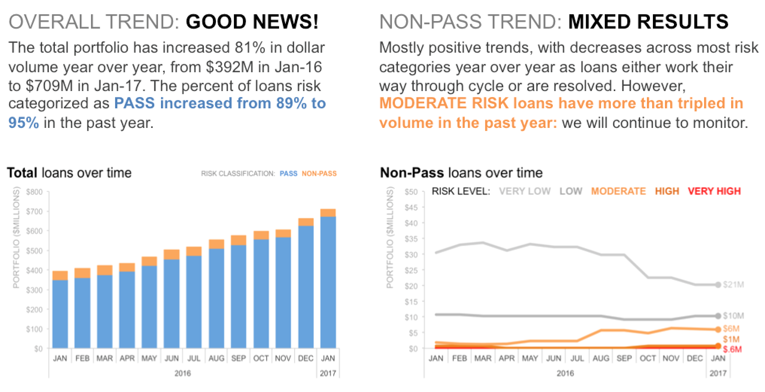

 | Original graph

 | Loan Portfolio by Risk Rating

